Sheet1
Health & Beyond Foods Pvt Ltd

No.
Report Summary
Location | Order Id No. | Date & Time | Source Of Order
{LOCATION} | {ORDERID} | {DATETIME} | {SOURCEOFORDER}
Description of the Incident (User Information)
Name of the Person on Shift (BOH) | Name of the Outlet Manager (FOH) | Ordered Product Details | Customer Contact Information if any
{BOH} | {FOH} | {ORDERPRODUCTDETAILS} | {CUSTOMERCONTACTINFORMATION}
Classification of the Incident
Incident Details (Choose from Drop down list) | Hazard Identified (Choose from Drop down list) | Food Poisoning Allegations (Choose from Drop down list) | Severity of Injury/ Impact of the Incident (Choose from Drop down list)
{INCIDENTDETAILS} | {HAZARDIDENTIFIED}
Category of the Incident
Foreign Body (Choose from Drop down list)

Description of the Incident:
Immediate Action Taken/Corrections:
Causative Factor Analysis Report:
Sr. No. | Why | Evidences | Root cause / Source
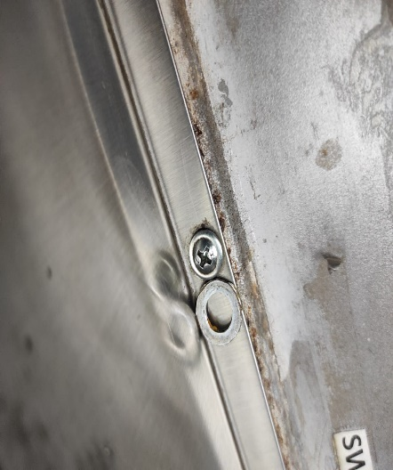
Handwash station
1
2
3
4
5
Corrective Action Planned
Sr. No. | Corrective Action | Responsibility | Timeline
1
2
3
Preventive Measures Planned
Sr. No. | Preventive Measures | Responsibility | Timeline
1
2
Verified By | Compiled By | Date | Name & Signature

Issue date-Sept2022 Version No.- 1.0 Revision No.- 0.0 HQA/R1

